Sheet1

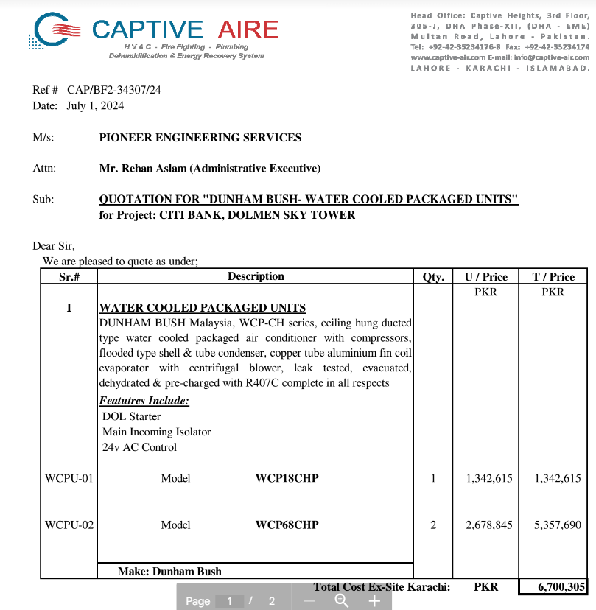

M/S IK Associates |  |  |  |  |  |  |  | 2024-07-10

Project: Citi bank DMC Karachi

Attn: Syed Talal

Variation order for Water cooled Package units

OPTION 1: SEA FREIGHT

S. # | Description | Material Rate | Installation | Over Head profit 25% | Income tax 7.5% | Unit | Qty | Amount
1 | Supply and installation of water cooled package unit. 12000 BTU | 1,342,615 | 25,000 | 341,904 | 128,214 | Nos | 1 | 1,837,733
2 | Supply and installation of water cooled package unit. 50400 BTU | 2,678,845 | 45,000 | 680,961 | 255,360 | Nos | 2 | 7,320,333
3 | Supply and installation Hangers and supports. | 50,000 | 15,000 | 16,250 | 6,094 | Job | 1 | 87,344
4 | Transportaion charges |  | 15,000 | 3,750 | 1,406 | Job | 1 | 20,156
Total Amount Rs. |  |  |  |  |  |  |  | 9,265,566

OPTION 2: AIRLIFT

S. # | Description | Material Rate | Installation | Over Head profit 25% | Income tax 7.5% | Unit | Qty | Amount
1 | Supply and installation of water cooled package unit. 12000 BTU | 8,780,000 | 70,000 | 2,212,500 | 2,765,625 | Nos | 1 | 13,828,125
2 | Supply and installation of water cooled package unit. 50400 BTU |  |  |  |  | Nos | 2
3 | Supply and installation Hangers and supports. | 50,000 | 15,000 | 16,250 | 6,094 | Job | 1 | 87,344
4 | Transportaion charges |  | 15,000 | 3,750 | 1,406 | Job | 1 | 20,156
Total Amount Rs. |  |  |  |  |  |  |  | 13,935,625

Note: CAPTIVE AIR Quotation and email attached

Thanking you,

For PIONEER ENGINEERING SERVICES.

Bilal Habib

